Residential
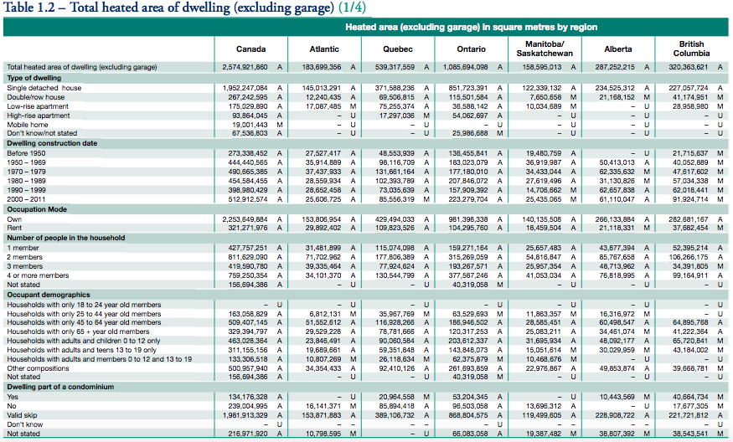

 |  |  | 2574921860 | Total in Canada

 |  |  | 2253649884 | Total owned
 |  |  | 321271976 | Total rented

Ownership | Floor Area Share
Owned | 0.87523039787
Rented (total) | 0.12476960213

Share of renders in public housing
0.04

Ownership | Floor Area Share
Rented (public housing) | 0.0049907840854
Rented (non-public housing) | 0.11977881805

Assumptions:
All owner-occupied housing belongs to consumers.
All public housing belongs to government.
Fraction of rental housing that is owned by an individual (consumers): |  | 0.75
Fraction of rental housing that is owned by a company (industry): |  | 0.25

Ownership | Floor Area
government | 0.005
industry | 0.030
consumers | 0.965

